Sheet1
ID | SMILES | original name | Molecular Weight | Mol
C001 | O=C(C(C1=CC=CC=C1)NC2=CC=CC=C2)C3=CC=C(C)C=C3 | C-1 | 301.39 | 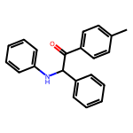
C002 | FC3=CC=C(C(C(C1=CC=CC=C1)NC2=CC=CC=C2)=O)C=C3 | C-2 | 305.35 | 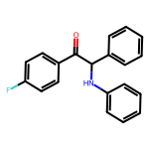
C003 | O=C(C(C1=CC=CC=C1)NC2=CC=CC=C2)C3=CC(OC)=C(OC)C(OC)=C3 | C-29 | 377.44 | 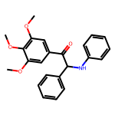
C004 | O=C(C(C1=CC=CC=C1)NC2=CC=CC=C2)C4=CC3=C(C=CC=C3)S4 | C-34 | 343.45 | 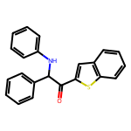
C005 | O=C(C(C1=CC=CC=C1)NC2=CC=CC=C2)C4=CC=C(C3=NC=CC=N3)C=C4 | C-60 | 365.44 | 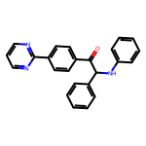
C006 | O=C(C(C1=CC=CC=C1)NC2=CC=CC=C2)C3=CC(F)=C(Cl)C=C3 | C-47 | 339.8 | 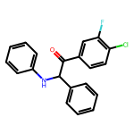
C007 | O=C(C(C1=CC=CC=C1)NC2=CC=CC=C2)C3=CC=C(Br)C=C3 | C-48 | 366.26 | 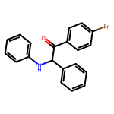
C008 | O=C(C(C1=CC=CC=C1)NC2=CC=CC=C2)C3=CC=CC(OC)=C3 | C-49 | 317.39 | 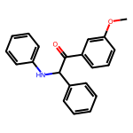
C009 | O=C(C(C1=CC=CC=C1)NC2=CC=CC=C2)C3=CC=C(C(OC)=O)C=C3 | C-80 | 345.4 | 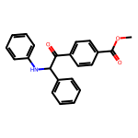
C010 | O=C(C(C1=CC=CC=C1)C2=C3C(=NC=N2)N(C(C)C)C=N3)C5=CC4=C(F)C=CC=C4N5 | CZ-850-1 | 413.46 | 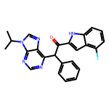
C011 | O=C(NC1=NOC(C)=C1)C(N3C2=C(C=CC=C2)CCC3)C4=CC=CC=C4 | ZR-142 | 347.42 | 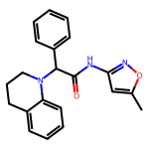
C012 | O=C(NC1=CC=CC=C1)C(N3C2=C(C=CC=C2)CCC3)C4=CC=CC=C4 | ZR-143 | 342.44 | 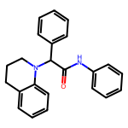
C013 | O=C(NC1=CC(S(=O)(C)=O)=CC(OC)=C1)C(N3C2=C(C=CC=C2)CCC3)C4=CC=CC=C4 | ZR-145 | 450.56 | 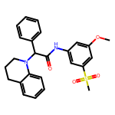
C014 | O=C(NC1=CC=CC=C1C)C(N3C2=C(C=CC=C2)CCC3)C4=CC=CC=C4 | ZR-146 | 356.47 | 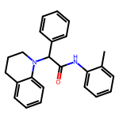
C015 | O=C(N1CCC2=C1C=CC=C2)C(N4C3=C(C=CC=C3)CCC4)C5=CC=CC=C5 | ZR-149 | 368.48 | 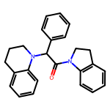
C016 | O=C(NC1=CC(OC)=C(OC)C=C1)C(N3C2=C(C=CC=C2)CCC3)C4=CC=CC=C4 | ZR-152 | 402.49 | 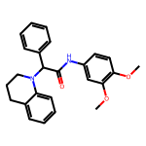
C017 | O=C(NCC1=CN=CC=C1)C(N3C2=C(C=CC=C2)CCC3)C4=CC=CC=C4 | ZR-153 | 357.46 | 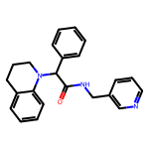
C018 | O=C(NC1=CC(C(N)=O)=CC=C1)C(N3C2=C(C=CC=C2)CCC3)C4=CC=CC=C4 | ZR-154 | 385.47 | 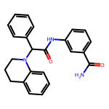
C019 | O=C(NC1=CC(S(=O)(C)=O)=CC(OC)=C1)C(N3C2=C(C=CC=C2)CC3)C4=CC=CC=C4 | ZR-203 | 436.53 | 